Marvel DC Closeouts
Image | Item # | Description | Pack | Origin | # Units | Price | UPC | UCC | Case Size | Wt | Cube | Tie | Hi | Item Size | Item Wt
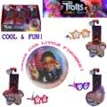 | E6566CU01 | DreamWorks Trolls World Tour Tiny Dancers Series 2 Collectible Wearable Toy Figures in PDQ | 12 | China | 7,533 | $0.76 | 630509918140 | 50630509918145 | 11" x 5" x 7" | 2 | 0.22 | 32 | 13 | 3" x 1" x 6" | 1.4
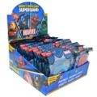 | 3065243526400 | Marvel: Insect Repelling Superband - Assorted | 400 | China | 6,984 | $0.80 | 652435260018 | 50652435260013 | 22" x 20" x 12" | 20 | 3.05 | 4 | 8 | 4.2" x .75" x 5.75" | 1
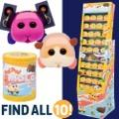 | 585640X1 | MGA Fuzmols Pui Pui Molcars 2.5' Figures Display Asst | 36 | China | 20,412 | $1.27 | 035051585640 | 50035051585645 | 48" x 6" x 14" | 13 |  | 7 | 6 | 3" x 3" x 4" | 2
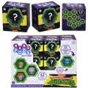 | HTT87996A | Nano Pod TMNT CDU Asst | 24 | China | 2,110 | $1.51 | 194735197644 | 50194735197649 | 9" x 3" x 7" | 2 | 0.11 | 59 | 13 | 2" x 1.5" x 2" | 1
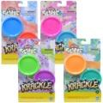 | E8788UR83 | Hasbro Play-Doh Krackle Slime 2 pk Single Can Asst. | 6 | China | 5,042 | $1.75 | 5010993838707; (1) Green & purple 5010993838721; (1) Red & blue 5010993838714; (2) Pink & blue 5010993838691; (2) Orange & green | 50501099383876 | 13" x 4" x 5" | 2 | 0.15 | 30 | 19 | 5" x 1.25" x 8.5" | 5.5
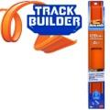 | HFD009575 | Mattel DDC Hot Wheels Straight Track Builder Original | 16 | Vietnam | 20,778 | $1.81 | 194735037780 | 50194735037785 | 7" x 5" x 13" | 4 | 0.26 | 30 | 13 | 1.5" x 1" x 13" | 4
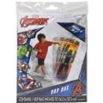 | 653955047 | Black Panther 34.5" Bop Bag Pre-priced $5.00 | 12 | Vietnam | 9,645 | $1.86 | 687554325331 | 50687554325336 | 10" x 7" x 8" | 5 | 0.32 | 25 | 12 | 6.5" x .75" x 9.5" | 6
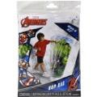 | 653955048 | Hulk 34.5" Bop Bag Pre-priced $5.00 | 12 | Vietnam | 8,031 | $1.86 | 687554325355 | 50687554325350 | 10" x 7" x 8" | 5 | 0.32 | 25 | 12 | 6.5" x .75" x 9.5" | 7
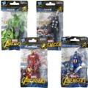 | E43539510 | Marvel: 4" Avengers Figure - Assorted | 24 | China | 104,518 | $1.97 | 630509731787; Thor (6) 630509731770; Hulk (6) 630509731794; Iron man (6) 630509731763; Captian america (6) | 50630509731782 | 8" x 5" x 6" | 1 | 0.14 | 45 | 16 | 3.5" x 1.5" x 6.75" | 5
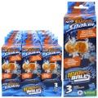 | F63925L00 | Nerf Super Soaker Hydro Balls 3-Pack, Reusable Water Balloons, Water-Filled Balls Burst on Impact | 12 | China | 6,528 | $1.97 | 5010994193638 | 50501099419360 | 11" x 8" x 7" | 4 | 0.35 | 22 | 13 | 2.5" x 2.5" x 8" | 5
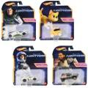 | HDL89956A | Mattel DDC Hot Wheels Lightyear Character Car Asst | 8 | Thailand | 1,568 | $2.10 | 194735026746; Izzy hawthorne (1) 194735026760; Xl 01 Buzz (2) 194735026777; Space Ranger (2) 194735026791; Sox (3) | 50194735026741 | 7" x 6" x 6" | 1 | 0.15 | 49 | 16 | 5.5" x 1.5" x 6.5" | 2.2
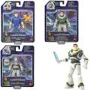 | HHJ78956A | Mattel DDC Disney Pixar Lightyear Core Figure Assorted | 6 | China | 488 | $2.10 | 194735068845; (1) B.L. & Sox 194735069279; (2) XL-01 B.L 194735069477; (3) Space ranger A. | 50194735068840 | 12" x 7" x 6" | 2 | 0.29 | 23 | 16 | 6" x 2" x 7.5" | 3.5
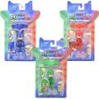 | PJM00000 | PJ Masks Light up Figure w/Wristband Assorted | 12 | China | 14,713 | $2.10 | 886144245480; (4) Gekko 886144245466; (4) Catboy 886144245473; (4) Owlette | 50886144245485 | 11" x 11" x 10" | 2 | 0.7 | 16 | 8 | 5" x 1.75" x 9.5" | 2.5
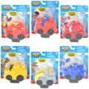 | 86014A | Hasbro Transformers 3.5" Pull Back Single Blister Asst | 12 | China | 1,197 | $2.28 | 887030860183; (1) Whirl 887030860190; (1) Hot Shot 887030860176; (1) Heatwave 887030860169; (1) Grimlock 887030860152; (4) Bumblebee 887030860145; (4) Optimus Prime | 50887030860188 | 14" x 6" x 8" | 2 | 0.39 | 24 | 12 | 5" x 2.25" x 6.5" | 3
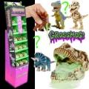 | 521617000 | GrossMos Blind Dino S1 SK | 16 | China | 23,887 | $2.39 | 035051521532 | 50035051521537 | 13" x 7" x 49" | 18 | 2.58 | 18 | 1 | 3.25" x 4" x 4" | 8
 | 521617W | GrossMos Blind Dino S1 SK | 16 | China | 5,664 | $2.39 | 035051521532 | 50035051521537 | 13" x 7" x 49" | 17 | 2.58 | 18 | 1 | 3.25" x 4" x 4" | 8
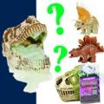 | 521532BULK | GrossMos Blind Dino S1 BULK | 8 | China | 107,482 | $2.39 | 035051521532 | 50035051521537 | 12" x 8" x 12" | 5 | 0.66 | 16 | 8 | 3" x 4" x 3.75" | 9
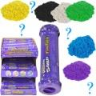 | 6066739 | Kinetic Sand Flowfetti Surprise Sensory Toy342 cs | 12 | Mexico | 2,770 | $2.39 | 778988460177 | 50778988460172 | 8" x 7" x 12" | 6 | 0.39 | 28 | 8 | 1.75" x 1.75" x 6.5" | 7
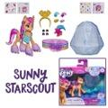 | F24545X00 | Hasbro My Little Pony Crystal Adventure Ponies Sunny | 6 | China | 18,089 | $2.63 | 5010993836611 | 50501099383661 | 10" x 7" x 7" | 2 | 0.28 | 24 | 13 | 7" x 1.5" x 6" | 5
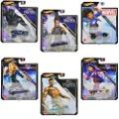 | HHB74956G | Mattel DDC Hot Wheels Blockbuster Character Car Marvel Assort | 8 | Thailand | 76 | $2.63 | 194735026326; (1) Namor 194735152735; (1) Ms Marvel 887961907537; (1) America Chavez 194735163809; (1) Captain Marvel 194735108466; (2) Shuri 194735063895; (2) Black panther | 50194735026321 | 7" x 6" x 6" | 1 | 0.14 | 48 | 16 | 5.5" x 1.25" x 6.5" | 2
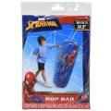 | 653955049 | No Online Spiderman 34.5" Bop Bag Pre-priced $5.00 | 12 | Vietnam | 5,327 | $2.63 | 68755428241 - 2 2 | 50687554282417 | 10" x 7" x 8" | 5 | 0.32 | 25 | 12 | 6.5" x .75" x 9.5" | 7
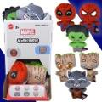 | HWD82968A | Mattel DDC Marvel Moodiverse 4" Plush | 48 | China | 8,173 | $2.66 | 194735213443; (1) Rocket 194735213382; (2) Hulk 194735213368; (2) Spider-man 194735213351; (3) Spiderman 194735213405; (4) Groot | 50194735213448 | 12" x 11" x 10" | 4 | 0.76 | 12 | 9 | 2.75" x 2.25" x 4.5" | 1
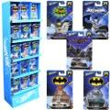 | JBF289993 | Mattel DDC Hot Wheels Batman 50pc Prepack | 50 | Thailand | 2,096 | $3.09 | 194735023493; (6) Aero pod (8) Batman knight (9) Batmobile TV (11) Muscle tone (16) Batmobile | 50194735023498 | 14" x 7" x 41" | 11 | 2.32 | 15 | 2 | 4.25" x 1.5" x 6.5" | 2
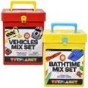 | 93311 | Vehicle Mix and Bathtime Mix Toy Set | 24 | China | 52,526 | $3.15 | 703086932844; (2) Red 703086932851; (2) Yellow | 50703086932849 | 23" x 21" x 18" | 32 | 5.03 | 4 | 5 | 7" x 4.75" x 8" | 21
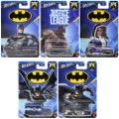 | HDG89956L | Mattel DDC Hot Wheels Batman Themed Ast | 10 | Thailand | 15,280 | $3.16 | 194735187164; (1) Cloak and dagge 194735187072; (2) Dodge 11 charger RT 194735187003; (2) Batmobile 194735187157; (2) Justice league batmobile 194735187027; (3) HW Armored truck | 50194735187169 | 7" x 7" x 5" | 1 | 0.14 | 53 | 13 | 4.25" x 1.25" x 6.5" | 2
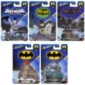 | HDG89956K | Mattel DDC Hot Wheels Batman Themed Ast | 10 | Thailand | 3,589 | $3.16 | 194735186990; (1) Aero pod 194735187140; (2) Muslo tone 194735187133; (2) Tv series batmobile 194735187096; (2) Arkham knight 194735187065; (3) Batmobile | 50194735186995 | 7" x 7" x 5" | 1 | 0.14 | 53 | 13 | 4.25" x 1.25" x 6.5" | 2
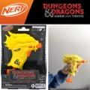 | F6273CU01 | Hasbro NERF MicroShots Dungeons & Dragons Palarandusk Blaster | 4 | China | 3,470 | $3.21 | 191566217765 | 50191566217768 | 9" x 6" x 9" | 2 | 0.28 | 30 | 10 | 6" x 2.25" x 8" | 7
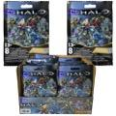 | CNC84963H | Mattel DP Mega Construx Halo Micro Action Figures | 32 | China | 1,065 | $3.36 | 194735184514 | 50194735184519 | 8" x 8" x 6" | 1 | 0.22 | 25 | 16 | 3.75" x .50" x 5.5" | 1
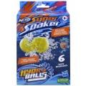 | F63935L00 | Nerf Super Soaker Hydro Balls 6-Pack, Reusable Water-Filled Balls | 4 | China | 26,592 | $3.44 | 5010994193553 | 50501099419353 | 14" x 5" x 5" | 2 | 0.2 | 24 | 19 | 4.75" x 2.5" x 8" | 9
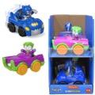 | HVG25963A | Fisher Price DDC Little People DC Super Friends Vehicle in Counter Display | 4 | China | 3,519 | $3.44 | 887961921052; (2) Batman 887961921045; (2) The Joker | 50887961921057 | 8" x 7" x 11" | 2 | 0.35 | 36 | 8 | 3" x 5.5" x 4" | 6
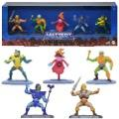 | GYF07 | Mattel DI Masters of the Universe Micro Collection 5-pack figures | 5 | Vietnam | 1,221 | $3.56 | 887961969603 | 50887961969608 | 12" x 9" x 5" | 2 | 0.32 | 36 | 10 | 11.5" x 1.5" x 3.75" | 5
 | 6068612 | Harry Potter Wizarding World, Micro Magical Moments Year 2 Flying Car Figure Set | 4 | China | 7,481 | $3.56 | 778988502563 | 50778988502568 | 6" x 4" x 8" | 1 | 0.11 | 54 | 12 | 5.25" x 1.75" x 5" | 4.5
 | E85375L00 | Hasbro Dreamworks Trolls World Tour Tiny Dancers Find Your Beat Pack | 10 | China | 210 | $3.79 | 010993671113; | 50010993671113 | 13" x 9" x 6" | 2 | 0.41 |  |  | 12.5" x 1" x 4.75" | 4
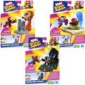 | F68955L00 | Hasbro Marvel Stunt Squad Hero vs Villain Asst. | 8 | Vietnam | 5,038 | $4.14 | 5010994180959; (3) Iron Man 5010994180928; (3) Spiderman 5010994180935; (2) Captain America | 50501099418097 | 14" x 8" x 6" | 2 | 0.39 | 18 | 16 | 5.5" x 2" x 8.5" | 5
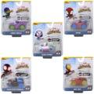 | SNF0193A | Disney Junior: Marvel - Spidey & His Amazing Friends - Amazing Metal Vehicle - Assorted | 8 | China | 1,095 | $4.26 | 191726509257; (1) Iron Man 191726509240; (1) Green goblin 191726495222; (1) Ghost -spider 191726495239; (1) Miles spin morales 191726495215; (4) Spidey | 50191726509252 | 8" x 8" x 5" | 2 | 0.18 | 25 | 19 | 5.25" x 2" x 6" | 2
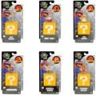 | 417274 | Super Mario Movie Mini Figures - wave 2 - 6 asst | 12 | China | 4,685 | $4.43 | 192995418028; (1) Goomba 192995417991; (1) Dry Bones 192995417984; (2) General Koopa 192995418011; (2) Shy Guy 192995417953; (3) Cat Mario 192995417960; (3) Tanooki Mario | 50192995418023 | 14" x 11" x 5" | 2 | 0.44 | 11 | 19 | 3.75" x 2.25" x 7" | 2
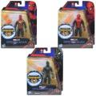 | F02315L00 | Spiderman Mystery Webgear 6" Action Figure Asst | 8 | Vietnam | 9,367 | $4.43 | 010993823475; (2) Spider silver 010993823505; (3) Red & black 010993823536; (3) Spider black | 50010993823475 | 13" x 6" x 7" | 2 | 0.31 | 21 | 13 | 6.5" x 1.5" x 8.25" | 5
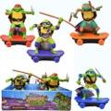 | 71207N | TMNT Sewer Shredders Movie Asst. (PDQ) | 6 | Vietnam | 2,698 | $4.43 | 021664712528; (1) Donnie 021664712511; (2) Mikey 021664712535; (1) Raph 021664712504; (2) Leo | 50021664712523 | 11" x 7" x 12" | 3 | 0.53 | 24 | 8 | 5" x 2" x 5" | 4
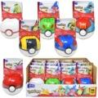 | FPM00963G | Mattel DDC Mega Construx Pokemon PokeBall Assortment | 12 | China | 3,272 | $4.73 | 194735070428; (2) Mime Jr 194735070404; (2) Hoppip 194735070442; (2) Totodile 194735070435; (2) Chikorita 194735070466; (2) Cyndaquil 194735070459; (1) Ledyba 194735070466; (1) Cyndaquil | 50194735070423 | 10" x 8" x 5" | 2 | 0.23 | 35 | 12 | 2.5" x 2.75" x 4.25" | 2
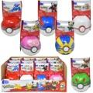 | FPM00963M | Mattel DDC Mega Construx Pokemon PokeBall Assortment | 12 | China | 3,897 | $4.73 | 194735218882; (2) Litleo 194735218967; (2) Litten 194735218905; (2) Rowlet 194735218929; (2) Popplio 194735218950; (2) Dedenne 194735218974; (2) Pancham | 50194735218887 | 10" x 8" x 5" | 2 | 0.23 | 35 | 12 | 2.5" x 2.75" x 4.25" | 2
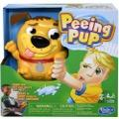 | E3043CU00 | Hasbro Peeing Pup | 3 | China | 127 | $4.96 | 630509742189 | 50630509742184 | 11" x 10" x 11" | 4 | 0.7 | 16 | 8 | 10.5" x 3.25" x 10.5" | 17
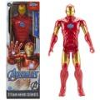 | E7873EL71 | Hasbro Avengers Marvel Titan Hero Series Blast Gear Iron Man 12" Action Figure | 16 | China | 2,401 | $4.96 | 630509910168 | 50630509910163 | 18" x 9" x 13" | 10 | 1.22 | 10 | 7 | 4" x 2" x 12" | 8.4
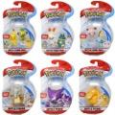 | 97624 | Pokemon Battle Figures | 6 | China | 3,387 | $4.96 | 889933976299; (1) Haunter 889933950251; (1) Psyduck 889933976282; (1) Marowak 889933976251; (1) Grookey & pikachu 889933976268; (1) Munchlax & scorbunny 889933976275; (1) Jigglypuff & sobble | 50889933976294 | 11" x 8" x 5" | 1 | 0.25 | 20 | 19 | 4.5" x 2.5" x 7" | 2.5
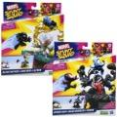 | F78145L00 | Marvel Stunt Squad Villain Knockdown Asst. | 8 | Vietnam | 8,037 | $4.96 | 5010994181000; (3) Black panther & iron man & ultron 5010994181017; (5) Spider & Morales & venom | 50501099418103 | 17" x 8" x 8" | 4 | 0.63 | 15 |  | 8" x 2" x 10" | 8
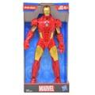 | E5582AX00 | Marvel 10" Figure Iron Man | 8 | Vietnam | 3,653 | $4.96 | 630509805143 | 50630509805148 | 10" x 8" x 10" | 4 | 0.46 | 23 | 9 | 5" x 2" x 10" | 8
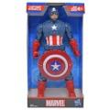 | E5579AX00 | Marvel 10" Figure Captain America | 8 | Vietnam | 505 | $4.96 | 630509805167 | 50630509805162 | 10" x 8" x 10" | 4 | 0.46 | 23 | 9 | 5" x 2" x 10" | 7
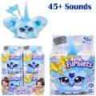 | G03985L00 | Hasbro Furby Furblet Sno Way Electronic PLush Toy | 12 | China | 15,763 | $4.96 | 5010996259615 | 50501099625969 | 8" x 7" x 9" | 3 | 0.29 | 29 | 12 | 3.75" x 2" x 5" | 4
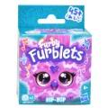 | F88965X22 | Hasbro Furby Furblet Hip Bop Electronic Toy23 cs | 24 | China | 9,256 | $4.96 | 5010996243126 | 50501099624313 | 9" x 8" x 11" | 6 | 0.46 | 25 |  | 3.75" x 2" x 5" | 4
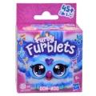 | F88935X22 | Hasbro Furby Furblet Ooh Koo Electronic Plush Toy | 24 | China | 5,654 | $4.96 | 5010996243096 | 50501099624306 | 9" x 8" x 11" | 6 | 0.46 | 25 | 8 | 3.75" x 2" x 5" | 4
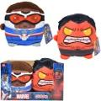 | HYL97996B | Mattel DDC Marvel Cuutopia 7" Plush Asst. in PDQ | 4 | Vietnam | 27,837 | $4.96 | 194735306749; (2) Red Hulk 194735213979; (2) Captain America | 50194735306744 | 13" x 8" x 8" | 2 | 0.48 | 18 | 12 | 6" x 3.5" x 7" | 4
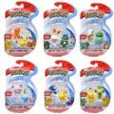 | 97031 | Pokemon Battle Figure Pack - Assorted | 6 | China | 4,300 | $4.96 | 889933976251; (1) Grookey & Pika chu 889933950015; (1) Picachu & Pop plio 889933976275; (1) Sobble & Jiggl ypuff 889933950312; (1) Bulbasaur & Cu bone 889933950336; (1) Pikachu & Char mander 889933976268; (1) Munchlax & Sc orbunny | 50889933976256 | 11" x 8" x 5" | 1 | 0.25 | 19 | 19 | 4.5" x 2.5" x 7" | 3
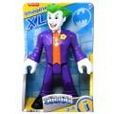 | HHH829564 | Fisher Price DDC DC Super Friends Imaginext XL Joker 10" Figure in Open Box | 3 | Vietnam | 4,077 | $5.31 | 194735068036; | 50194735068031 | 9" x 7" x 11" | 3 | 0.45 | 26 | 8 | 7" x 3" x 10.2" | 12.6
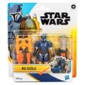 | G01385X61 | Hasbro Star Wars Mandelorian 4in Deluxe Paz Vizsla Action Figure | 4 | Vietnam | 1,667 | $5.89 | 5010996226327 | 50501099622630 | 10" x 3" x 7" | 1 | 0.12 | 52 | 13 | 7" x 1.5" x 8" | 4.5
 | HMX579564 | Fisher Price DDC Imaginext Color Changers Batman | 12 | China | 1,153 | $6.13 | 194735134755 | 50194735134750 | 9" x 7" x 8" | 3 | 0.29 | 30 | 12 | 3" x 3" x 3.5" | 4
 | HKT0001A | Hello Kitty and Friends: 2 Pack Figures - Assorted | 6 | China | 5,440 | $6.13 | 191726516385; (1)Kuromi & H.K 191726723516; (1) My melodi & Kuromi 191726516293; (1)Cinnamoroll & H.K 191726516309; (1) H.K. & my melodi 191726516392; (1) Pompompurin & cinnamorol 191726723523; (1) Cinnamoroll & pompompurin | 50191726516380 | 9" x 8" x 6" | 2 | 0.25 | 25 | 13 | 6" x 2.5" x 6" | 5
 | GXB23968N | Mattel DDC Star Wars 8" Basic Plush | 6 | Vietnam | 20,093 | $6.13 | 887961958706; (1) Wicket 194735179725; (1) Darth Vader 194735214747; (1) Sbine Wren 194735214754; (1) Ahsoka Tano 194735214778; (1) Chopper C1-10p 194735087303; (1)The Mandalorian | 50887961958701 | 12" x 8" x 8" | 2 | 0.44 | 16 | 12 | 3" x 3" x 8" | 3.5
 | GYT40968S | Mattel DDC Marvel 8" Basic Plush | 6 | Vietnam | 7,727 | $6.13 | 194735123537; (1) Groot 194735154845; (1) Miles Morales 194735290062; (2) Wolverine 887961979343; (2) Spider -Man | 50194735123532 | 12" x 8" x 8" | 2 | 0.44 | 16 | 12 | 3" x 3" x 8" | 3
 | JCV909564 | Mattel DDC Pixar Click Figs Buzz Lightyear | 2 | Vietnam | 5,657 | $6.13 | 194735277254 | 50194735277259 | 7" x 4" x 8" | 1 | 0.13 | 62 | 12 | 4" x 3.25" x 7.5" | 5
 | HTW649993 | Mattel DDC Games Rock Em Sock Em Robots Fight Cards Card Game, Team Party Game for Kids & Adults with 2 Boxing Gloves | 4 | China | 14,622 | $7.29 | 194735198832 | 50194735198837 | 11" x 11" x 11" | 5 | 0.77 | 16 | 8 | 10.7" x 2.75" x 10.5" | 19
 | 89854 | Minnie 5 pack Figures on blister card | 12 | China | 350 | $7.29 | 886144898549 | 50886144898544 | 13" x 10" x 11" | 4 | 0.83 | 15 | 8 | 9.25" x 2" x 6" | 5
 | 38163 | Mickey 5pk Figures on blister card | 12 | China | 154 | $7.29 | 886144381638 | 50886144381633 | 13" x 10" x 11" | 4 | 0.83 | 15 | 8 | 9.25" x 2" x 6" | 5
 | 6068010 | Harry Potter Wizarding World, Magical Minis Hagrids Hut Playset with 2 Figures and Accessories | 4 | China | 2,225 | $7.64 | 778988495346 | 50778988495341 | 18" x 10" x 8" | 5 | 0.83 | 10 | 12 | 10" x 4.25" x 8" | 17
 | G1443USE0 | Hasbro Hydro Pods Marvel Clash & Splash Duel | 6 | China | 2,630 | $7.93 | 195166280363 | 50195166280368 | 11" x 8" x 12" | 4 | 0.61 | 20 | 8 | 12" x 2.5" x 8.75" | 11
 | G1443UNP1 | Hasbro Hydro Pods MVL Clash & Splash Duel | 4 | China | 3,000 | $7.93 | 195166280363 | 50195166280368 | 11" x 6" x 12" | 3 | 0.46 | 28 | 8 | 12" x 2.5" x 8.75" | 11
 | F89950920 | Monopoly Knockout Board Game | 6 | China | 19,545 | $7.93 | 195166251950 | 50195166251955 | 11" x 10" x 11" | 12 | 0.7 | 16 | 8 | 10.5" x 1.75" x 10.5" | 31
 | 62704SAMPALF | Lisa Frank Folding Art Case in PDQ | 7 | China | 3,364 | $8.46 | 9781690271314 | 50978169027136 | 20" x 12" x 20" | 19 | 2.78 | 7 | 4 | 17.5" x 1.25" x 18.5" | 40
 | F80890000 | Hasbro Grocery Go Karts | 4 | Mexico | 17,947 | $8.46 | 195166228150 | 50195166228155 | 14" x 11" x 11" | 7 | 0.98 | 11 | 8 | 13.7" x 2.5" x 10.5" | 27
 | 416774 | Sonic 4" Articulated Figures with accessory - wave 11 on blister card - 4 asst | 8 | China | 7,795 | $9.10 | 192995409026; (2) Amy 192995416857; (2) S.Silver 192995416796; (2) Knuckles . 192995416789; (2) Sonic. | 50192995409021 | 14" x 13" x 7" | 3 | 0.73 | 15 | 7 | 7" x 3" x 9" | 5
 | A67560000 | Marvel: Attack Gear - Iron Man Bunker Buster | 6 | China | 999 | $9.63 | 653569917359 | 50653569917354 | 13" x 8" x 12" | 5 | 0.72 | 18 | 8 | 6.5" x 2.5" x 12" | 13
 | 95057AA | Pokemon Clip N' Go - Assorted | 6 | China | 3,434 | $9.63 | 191726482871; (1) Chespin 191726482901; (1) Mareep 191726482857; (1) Fennenin 191726482888; (1) Alolan Vulpix 191726482895; (1) Froakie Green 191726482864; (1) Froakie Red | 50191726482876 | 11" x 9" x 6" | 2 | 0.34 | 28 | 10 | 5.5" x 3" x 8" | 3
 | 580812EUC | Mermaze Mermaidz Core Doll S1-Riviera | 5 | China | 9,624 | $9.63 | 035051580812 | 50035051580817 | 18" x 13" x 13" | 7 | 1.76 | 8 | 7 | 12" x 3.25" x 12" | 25
 | 77453S1W2 | Zuru Snackles Mystery Plush 5" Squishy Comfort Plush w/ Licensed Snack Brand Accessory and Animal | 24 | China | 5,444 | $9.63 | 193505060648 | 50193505060640 | 18" x 9" x 14" | 8 | 1.31 | 10 | 6
 | B04330000B1495 | Marvel Titan Hero Tech - Captain America | 4 | China | 566 | $10.27 | 630509280735; | 50630509280730 | 10" x 8" x 12" | 4 | 0.55 | 25 | 8 | 7" x 2.5" x 12" | 14
 | B04330000B1494 | Marvel: Titan Hero Tech - Iron Man Mark 43 | 4 | China | 2,489 | $10.27 | 630509281169 | 50630509281164 | 10" x 8" x 12" | 4 | 0.55 | 25 | 8 | 7" x 2.5" x 12" | 15
 | 36655 | XShot Insanity Bezerko 48 Darts with Air pocket | 1 | China | 3,069 | $10.27 | 193052050180 | 50193052050187 | 28" x 3" x 12" | 3 | 0.58 | 18 | 8 | 27.5" x 2.75" x 11.7" | 43
 | HFG059633 | Mega Construx Pokemon Kanto Region Team | 5 | China | 7,370 | $11.43 | 194735039357 | 50194735039352 | 11" x 11" x 7" | 3 | 0.49 | 22 | 8 | 10.2" x 2" x 7" | 10
 | F72535X00 | Hasbro Spidey and Friends Miles Drill Spinner Vehicle Play Set | 3 | China | 845 | $14.29 | 5010996139214; | 50501099613928 | 13" x 10" x 10" | 3 | 0.75 | 15 | 9 | 12.5" x 3" x 10" | 21
 | GWN98979G | Hot Wheels 36 Die Cast Car Pack Assorted | 2 | Malaysia | 3,127 | $33.60 | 887961944594 | 50887961944599 | 12" x 11" x 8" | 8 | 0.61 | 18 | 8 | 11" x 6" x 7.5" | 56
 |  |  |  |  | 763,449

